Sheet1
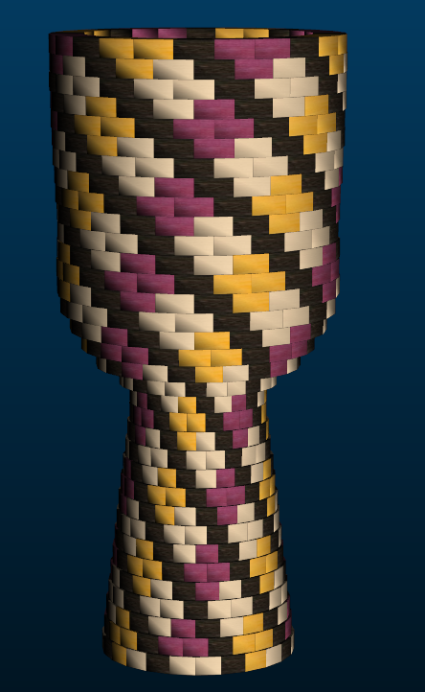
Large Segmented Ashiko: 816 Pieces |  |  |  |  |  | Segments per Ring: | 24 |  | Ring Thickness: | 0.75 | Angle: | 7.50°
 | Board | Board | Segment | Diameter | Species | Strip |  | Strip |  | Strip |  | Strip |  | Dimensions: 25.5" Tall x 11.8" Diameter Head | Maple Area | Wenge Area | Purp Area | Yellow Area
Row | Width | Length | S.E.L. | Outer | Maple | Length | Wenge | Length | Purple | Length | Yellow | Length
1 | 1.00 | 17 | 1.04 | 7.9" | 8 | 8.4 | 8 | 5.6 | 4 | 3.2 | 4 | 2.7 |  |  | 8.4 | 5.6 | 3.2 | 2.7
2 | 1.00 | 17.4 | 1.01 | 7.7" |  |  | 8 | 5.7 | 8 | 5.7 | 8 | 5.7 |  |  | 0 | 5.7 | 5.7 | 5.7
3 | 1.00 | 17.9 | 0.99 | 7.5" | 8 | 5.9 | 8 | 5.9 | 4 | 2.9 | 4 | 2.9 |  |  | 5.9 | 5.9 | 2.9 | 2.9
4 | 1.00 | 18.4 | 0.97 | 7.3" | 16 | 12.2 | 8 | 6.1 |  |  |  |  |  |  | 12.2 | 6.1 | 0 | 0
5 | 1.00 | 18.9 | 0.94 | 7.2" | 8 | 6.2 | 8 | 6.2 | 4 | 3 | 4 | 3 |  |  | 6.2 | 6.2 | 3 | 3
6 | 1.00 | 19.3 | 0.92 | 7" |  |  | 8 | 6.4 | 8 | 6.4 | 8 | 6.4 |  |  | 0 | 6.4 | 6.4 | 6.4
7 | 1.00 | 19.7 | 0.90 | 6.8" | 8 | 6.5 | 8 | 6.5 | 4 | 3.2 | 4 | 3.2 |  |  | 6.5 | 6.5 | 3.2 | 3.2
8 | 1.00 | 20 | 0.87 | 6.6" | 16 | 13.3 | 8 | 6.6 |  |  |  |  |  |  | 13.3 | 6.6 | 0 | 0
9 | 1.00 | 20.2 | 0.85 | 6.5" | 8 | 6.6 | 8 | 6.6 | 4 | 3.3 | 4 | 3.3 |  |  | 6.6 | 6.6 | 3.3 | 3.3
10 | 1.15 | 19.4 | 0.83 | 6.3" |  |  | 8 | 6.4 | 8 | 6.4 | 8 | 6.4 |  |  | 0 | 7.36 | 7.36 | 7.36
11 | 1.20 | 18.4 | 0.80 | 6.1" | 8 | 6 | 8 | 6 | 4 | 3 | 4 | 3 |  |  | 7.2 | 7.2 | 3.6 | 3.6
12 | 1.35 | 17.2 | 0.78 | 5.9" | 16 | 11.4 | 8 | 5.7 |  |  |  |  |  |  | 15.39 | 7.695 | 0 | 0
13 | 1.55 | 16.1 | 0.75 | 5.7" | 8 | 5.3 | 8 | 5.3 | 4 | 2.6 | 4 | 2.6 |  |  | 8.215 | 8.215 | 4.03 | 4.03
14 | 1.65 | 15.2 | 0.73 | 5.6" |  |  | 8 | 5 | 8 | 5 | 8 | 5 |  |  | 0 | 8.25 | 8.25 | 8.25
15 | 1.75 | 14.9 | 0.73 | 5.5" | 8 | 4.9 | 8 | 4.9 | 4 | 2.4 | 4 | 2.4 |  |  | 8.575 | 8.575 | 4.2 | 4.2
16 | 2.15 | 16.2 | 0.84 | 6.4" | 16 | 10.8 | 8 | 5.3 |  |  |  |  |  |  | 23.22 | 11.395 | 0 | 0
17 | 2.65 | 20.5 | 1.08 | 8.2" | 8 | 6.7 | 8 | 6.7 | 4 | 3.3 | 4 | 3.3 |  |  | 17.755 | 17.755 | 8.745 | 8.745
18 | 2.00 | 26.2 | 1.24 | 9.4" |  |  | 8 | 8.7 | 8 | 8.7 | 8 | 8.7 |  |  | 0 | 17.4 | 17.4 | 17.4
19 | 1.65 | 30.3 | 1.36 | 10.3" | 8 | 10 | 8 | 10 | 4 | 4.9 | 4 | 4.9 |  |  | 16.5 | 16.5 | 8.085 | 8.085
20 | 1.45 | 33.3 | 1.45 | 11" | 16 | 22.2 | 8 | 11 |  |  |  |  |  |  | 32.19 | 15.95 | 0 | 0
21 | 1.10 | 35.2 | 1.49 | 11.3" | 8 | 11.7 | 8 | 11.7 | 4 | 5.8 | 4 | 5.8 |  |  | 12.87 | 12.87 | 6.38 | 6.38
22 | 1.00 | 35.8 | 1.49 | 11.3" |  |  | 8 | 11.8 | 8 | 11.8 | 8 | 11.8 |  |  | 0 | 11.8 | 11.8 | 11.8
23 | 1.00 | 35.5 | 1.49 | 11.3" | 8 | 11.8 | 8 | 11.8 | 4 | 5.8 | 4 | 5.8 |  |  | 11.8 | 11.8 | 5.8 | 5.8
24 | 1.00 | 35.4 | 1.49 | 11.2" | 16 | 23.5 | 8 | 11.7 |  |  |  |  |  |  | 23.5 | 11.7 | 0 | 0
25 | 1.00 | 35.4 | 1.49 | 11.3" | 8 | 11.7 | 8 | 11.7 | 4 | 5.8 | 4 | 5.8 |  |  | 11.7 | 11.7 | 5.8 | 5.8
26 | 1.00 | 35.7 | 1.50 | 11.4" |  |  | 8 | 11.8 | 8 | 11.8 | 8 | 11.8 |  |  | 0 | 11.8 | 11.8 | 11.8
27 | 1.00 | 36 | 1.51 | 11.5" | 8 | 11.9 | 8 | 11.9 | 4 | 5.9 | 4 | 5.9 |  |  | 11.9 | 11.9 | 5.9 | 5.9
28 | 1.00 | 36.3 | 1.52 | 11.5" | 16 | 24.1 | 8 | 12 |  |  |  |  |  |  | 24.1 | 12 | 0 | 0
29 | 1.00 | 36.5 | 1.53 | 11.6" | 8 | 12.1 | 8 | 12.1 | 4 | 6 | 4 | 6 |  |  | 12.1 | 12.1 | 6 | 6
30 | 1.00 | 36.7 | 1.54 | 11.7" |  |  | 8 | 12.2 | 8 | 12.2 | 8 | 12.2 |  |  | 0 | 12.2 | 12.2 | 12.2
31 | 1.00 | 36.9 | 1.54 | 11.7" | 8 | 12.2 | 8 | 12.2 | 4 | 6 | 4 | 6 |  |  | 12.2 | 12.2 | 6 | 6
32 | 1.00 | 37 | 1.55 | 11.8" | 16 | 24.7 | 8 | 12.3 |  |  |  |  |  |  | 24.7 | 12.3 | 0 | 0
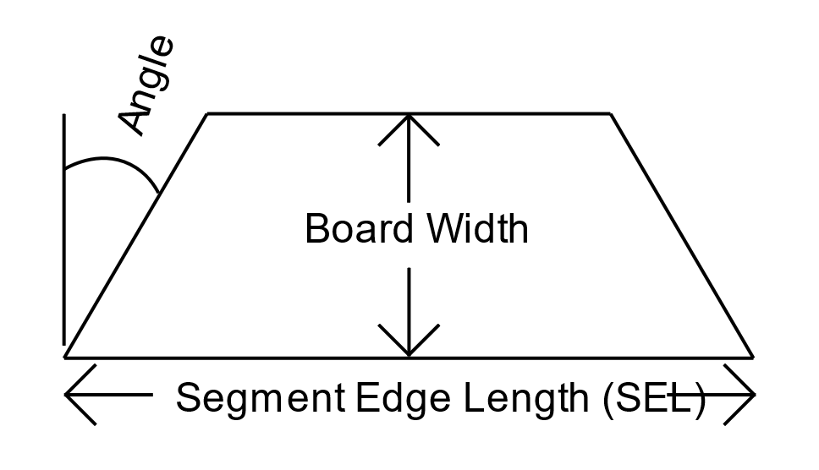
33 | 1.00 | 36.5 | 1.55 | 11.8" | 8 | 12.1 | 8 | 12.1 | 4 | 6 | 4 | 6 |  |  | 12.1 | 12.1 | 6 | 6
34 | 1.00 | 35.9 | 1.55 | 11.8" |  |  | 8 | 11.9 | 8 | 11.9 | 8 | 11.9 |  |  | 0 | 11.9 | 11.9 | 11.9
 |  | Segments of Maple |  |  | 264 |  |  |  |  |  |  | Bd Ft of Maple | 1.80 |  |  | 345.115 | 350.265 | 178.95 | 178.45
 |  | Segments of Wenge |  |  | 272 |  |  |  |  |  |  | Bd Ft of Wenge | 1.82
 |  | Segments of Purpleheart |  |  | 140 |  |  |  |  |  |  | Bd Ft of Purpleheart | 0.93
 |  | Segments of Yellowheart |  |  | 140 |  |  |  |  |  |  | Bd Ft of Yellowheart | 0.93
 |  |  | Total # of Pieces |  | 24*34 = | 816 |  |  |  |  |  | Total Board Feet | 5.48

